Sheet1
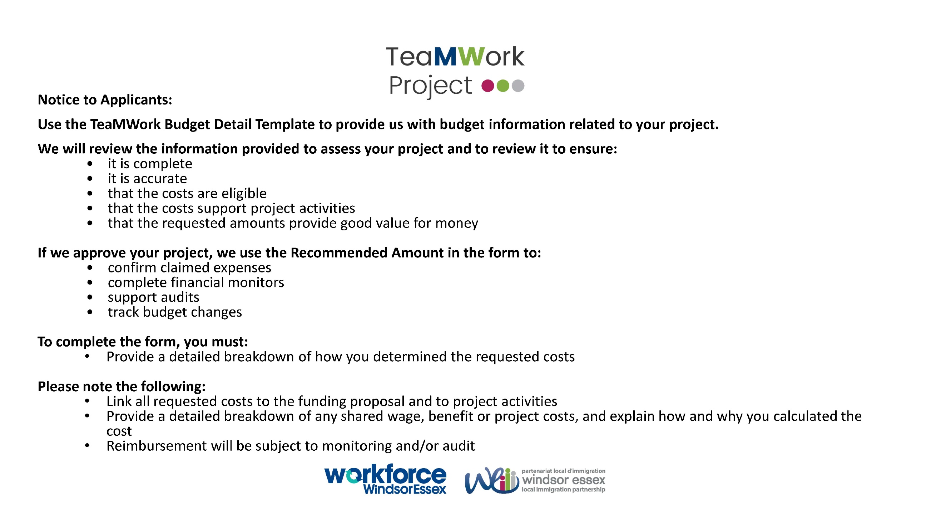

Legal Name of Organization:
Proposed Start Date:
Proposed End Date:

Category Details | Amount Requested ($) | Detailed Budget Description | Comments (WFWE will complete)
1. ADMINISTRATIVE COSTS (total administration budget cannot exceed 7.5% of Direct project costs)
1A. ADMINISTRATIVE COSTS: Provide a detailed overview of all proposed administrative costs.
a. Audit fees
b. Bank fees
c. Basic telephone fees
d. Contracting (other than contracting that specifically supports the project: bookkeeping, consultancy, janitorial, information technology, printing, security, translation, training
e. Equipment repaid and maintenance
f. Insurance (fire, theft, liability)
g. Information Technology maintenance
h. Legal fees
i. Materials and office supplies
j. Monthly internet fees
k. Management and administrative staff wages not working on outcomes of the projects, including: mandatory employment related costs, employment insurance, Canada Pension Plan, vacation pay, benefits
l. Operational printing contracted externally
m. Other non participant-based costs (for example the cost of water if public water is not safe to drink)
n. Postage and courier fees
o. Professional development for management and admin staff
p. Rent, least repair and leasehold improvements
q. Staff and volunteer transportation

TOTAL ADMINISTRATIVE COSTS (1) | 0

2. DIRECT COSTS
2A. Staff Salaries: Provide a detailed overview of all proposed staff salaries (by position).
a. Salaries, mandatory employment related costs and benefits paid to or behalf of staff working directly on the project
TOTAL STAFF SALARIES (2A) | 0

2B. PARTICIPANT COSTS: Provide a detailed overview of all proposed participant costs.
a. Participant's: salaries and mandatory employment related costs, completion bonuses, other employment-related benefit costs where required by current organizational human resources policies and/or provincial/territorial labour standards
b. Adaptive-technology set-up
c. Dependent Care
d. Disability-related incremental costs
e. disability-related supports
f. Emergency assistance
g. Living expenses
h. Materials, supplies, books and testing materials that will be used by/for participants
i. Participation and completion recognition
j. Professional fees related to participants - sub-contracting
k. Travel, transportation
l. Tuition fees
TOTAL PARTICIPANT COSTS (2B) | 0

2C. PROJECT COSTS: Provide a detailed overview of all proposed project costs.
a. Advertising
b. Conference attendance fees
c. Other conference fees
d. Equipment lease, rental or purchase and computer software
e. Furniture
f. Goods and Services Tax/ Harmonized Sales Tax/ Provincial Sales Tax
g. Hospitality
h. Materials and office supplies
I. Membership fees, affiliation fees and business licenses and permits
j. Professional fees related to project activities
k. Reference materials
l. Rent, lease, repairs and leasehold improvements
m. Signage
n. Significant project costs for the following types of expenses: contracting (if contracted specifically to support the project), Internet and other information technology requirements, postage fees, printing fees, professional development for staff, telephone
o. Staff, consultant and volunteer travel, as well as international travel where warranted (as documented by travel claims)
p. Staff disability supports
q. Staff training for disability-related issues
r. support for individuals
s. Transition/wind-down costs
t. Utilities
TOTAL PROJECT COSTS (2C) | 0

2D. CHILD CARE COSTS: Provide a detailed overview of all proposed child care costs.
a. Core Operating costs for new and existing child care spaces, and program support and development costs for creating indigenous services
TOTAL PROJECT COSTS (2D) | 0

TOTAL DIRECT COSTS (2A + 2B + 2C + 2D) | 0

TOTAL (1A + 2A + 2B + 2C + 2D): | 0

